Sheet1
TEACHERS’ RETIREMENT SYSTEM OF THE CITY OF NEW YORK

162
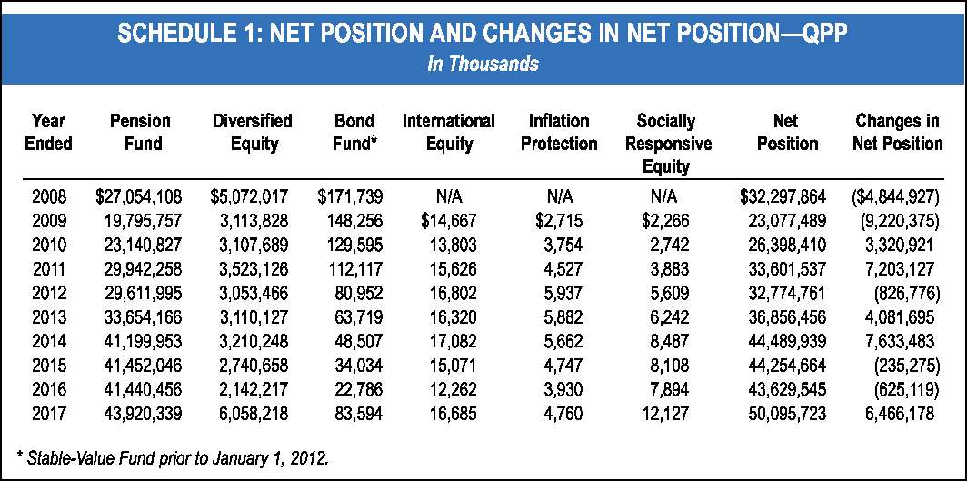

* Stable-Value Fund prior to January 1, 2012.
Year Pension Diversified Bond International Inflation Socially Net Changes in
Ended Fund Equity Fund* Equity Protection Responsive Position Net Position
Equity
2008 $27,054,108 $5,072,017 $171,739 N/A N/A N/A $32,297,864 ($4,844,927)
2009 19,795,757 3,113,828 148,256 $14,667 $2,715 $2,266 23,077,489 (9,220,375)
2010 23,140,827 3,107,689 129,595 13,803 3,754 2,742 26,398,410 3,320,921
2011 29,942,258 3,523,126 112,117 15,626 4,527 3,883 33,601,537 7,203,127
2012 29,611,995 3,053,466 80,952 16,802 5,937 5,609 32,774,761 (826,776)
2013 33,654,166 3,110,127 63,719 16,320 5,882 6,242 36,856,456 4,081,695
2014 41,199,953 3,210,248 48,507 17,082 5,662 8,487 44,489,939 7,633,483
2015 41,452,046 2,740,658 34,034 15,071 4,747 8,108 44,254,664 (235,275)
2016 41,440,456 2,142,217 22,786 12,262 3,930 7,894 43,629,545 (625,119)
2017 43,920,339 6,058,218 83,594 16,685 4,760 12,127 50,095,723 6,466,178
SCHEDULE 1: NET POSITION AND CHANGES IN NET POSITION—QPP
In Thousands
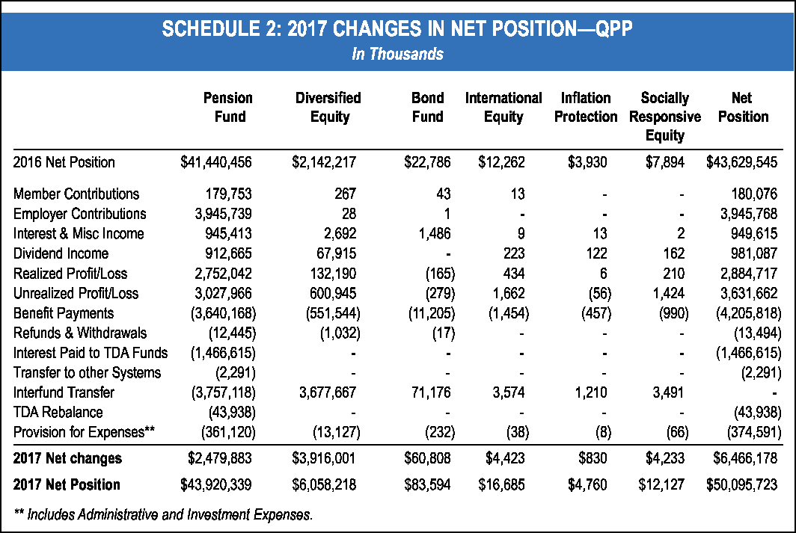

180,076
- -
- 3,945,768
- -
(13,494)
- - -
- - - -
(2,291)
- - - - -
-
(43,938)
(43,938)
TDA Rebalance
- - - - -
Transfer to other Systems (2,291)
2017 Net changes $2,479,883 $3,916,001 $60,808 $4,423 $830 $4,233 $6,466,178
2017 Net Position $43,920,339 $6,058,218 $83,594 $16,685 $4,760 $12,127 $50,095,723
2016 Net Position $41,440,456 $2,142,217 $22,786 $12,262 $3,930 $7,894 $43,629,545
Member Contributions 179,753 267 43 13
Employer Contributions 3,945,739 28 1
Dividend Income 912,665 67,915
981,087
Realized Profit/Loss 2,752,042 132,190 (165) 434 6 210 2,884,717
Unrealized Profit/Loss 3,027,966 600,945 (279) 1,662 (56) 1,424 3,631,662
Benefit Payments (3,640,168) (551,544) (11,205) (1,454) (457) (990) (4,205,818)
Refunds & Withdrawals (12,445) (1,032) (17)
Provision for Expenses** (361,120) (13,127) (232) (38) (8) (66) (374,591)
Interest & Misc Income 945,413 2,692 1,486 9 13 2 949,615
Interest Paid to TDA Funds (1,466,615)
Interfund Transfer (3,757,118) 3,677,667 71,176 3,574 1,210 3,491
** Includes Administrative and Investment Expenses.
SCHEDULE 2: 2017 CHANGES IN NET POSITION—QPP
In Thousands
Pension Diversified Bond International Inflation Socially Net
Fund Equity Fund Equity Protection Responsive Position
Equity
- 223 122 162
- (1,466,615)

Sheet4
STATISTICAL

SCHEDULE 5: ACTIVE MEMBERSHIP SUMMARY—QPP

Year | As of July 1 | Contributors Registered | Payroll Updates | Contributors Withdrawn | As of June 30th
2007 | 109,992 | 8,776 | (3,928) | (4,972) | 109,868
2008 | 109,868 | 11,234 | (5,183) | (3,447) | 112,472
2009 | 112,472 | 7,526 | (4,015)* | (2,851) | 113,132
2010 | 113,132 | 4,617 | (3,378) | (2,724) | 111,647
2011 | 111,647 | 4,779 | (3,717) | (3,073) | 109,636
2012 | 109,636 | 9,519 | (3,135) | (3,560) | 112,460
2013 | 112,460 | 7,101 | (3,744) | (3,336) | 112,481
2014 | 112,481 | 7,915 | (4,032) | (4,638) | 111,726
2015 | 111,726 | 8,727 | (2,499) | (3,302) | 114,652
2016 | 114,652 | 10,239 | (2,519) | (4,171) | 118,201

*Revised for FY 2010.
Active membership summary based on latest valuation reports. Estimated active memberships of 122,000 for 2017.
SCHEDULE 6: TABLE OF AVERAGE SALARIES OF IN-SERVICE MEMBERS—QPP
As of June 30, 2016

Age | MEN Number of Average In-Service Members* Salaries* |  | Age | WOMEN Number of Average In-Service Members* Salaries*
24& under | 486 | $49,321 | 24& under | 1,790 | $50,023
25-29 | 2,769 | 60,106 | 25-29 | 10,599 | 61,542
30-34 | 3,876 | 73,936 | 30-34 | 13,101 | 73,576
35-39 | 4,007 | 83,966 | 35-39 | 12,813 | 79,934
40-44 | 3,639 | 89,560 | 40-44 | 11,781 | 81,731
45-49 | 3,417 | 91,446 | 45-49 | 11,430 | 81,093
50-54 | 3,021 | 93,611 | 50-54 | 10,784 | 80,739
55-59 | 2,505 | 92,257 | 55-59 | 9,390 | 79,442
60-64 | 1,753 | 90,102 | 60-64 | 6,616 | 79,296
65-69 | 841 | 82,010 | 65-69 | 2,528 | 76,781
70 & over | 335 | 81,596 | 70 & over | 720 | 68,388
TOTAL | 26,649 | $83,304 | TOTAL | 91,552 | $76,506
TOTAL ANNUAL SALARIES |  | $2,219,964,658 TOTAL ANNUAL SALARIES |  |  | $7,004,302,989

* The member count and the annual payrol include only those who were on the June 30th payrol.
IN-SERVICE MEMBERS ON PAYROLL—DISTRIBUTION BY AGE
As of June 30, 2016
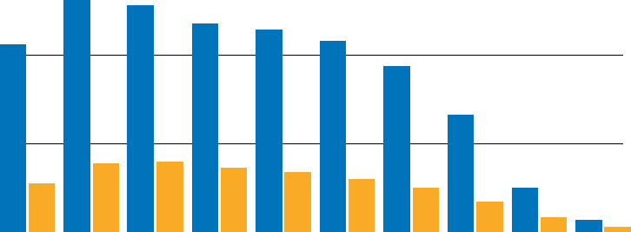

10,000
5,000

0
AGE 24 & 25-29 30-34 35-39 40-44 45-49 50-54 55-59 60-64 65-69 70 &
under over
WOMEN | 1,790 | 10,599 | 13,101 | 12,813 | 11,781 | 11,430 | 10,784 | 9,390 | 6,616 | 2,528 | 720
MEN | 486 | 2,769 | 3,876 | 4,007 | 3,639 | 3,417 | 3,021 | 2,505 | 1,753 | 841 | 335

165

Sheet10
STATISTICAL

SCHEDULE 16: SURVIVORS’ BENEFITS—QPP
As of June 30, 2016
Age | MEN Number of Beneficiaries | Average Annual Benefit | Age | WOMEN Number of Beneficiaries | Average Annual Benefit
under 30 | 5 | $22,279 | under 30 | 6 | $22,348
30-34 | 4 | 7,527 | 30-34 | 8 | 23,749
35-39 | 11 | 19,875 | 35-39 | 12 | 18,579
40-44 | 10 | 23,717 | 40-44 | 18 | 18,950
45-49 | 17 | 14,713 | 45-49 | 18 | 17,778
50-54 | 26 | 11,121 | 50-54 | 55 | 17,735
55-59 | 34 | 19,499 | 55-59 | 86 | 23,305
60-64 | 58 | 23,496 | 60-64 | 124 | 32,978
65-69 | 129 | 31,148 | 65-69 | 311 | 40,331
70-74 | 188 | 35,706 | 70-74 | 461 | 40,254
75-79 | 165 | 28,365 | 75-79 | 455 | 38,767
80-84 | 170 | 26,154 | 80-84 | 518 | 36,137
85-89 | 195 | 25,090 | 85-89 | 517 | 33,809
90 & over | 255 | 25,332 | 90 & over | 605 | 29,337
TOTAL | 1,267 | $27,128 | TOTAL | 3,194 | $34,741

TOTAL ANNUAL BENEFITS PAID |  | $34,371,598 | TOTAL ANNUAL BENEFITS PAID |  | $110,963,139

171
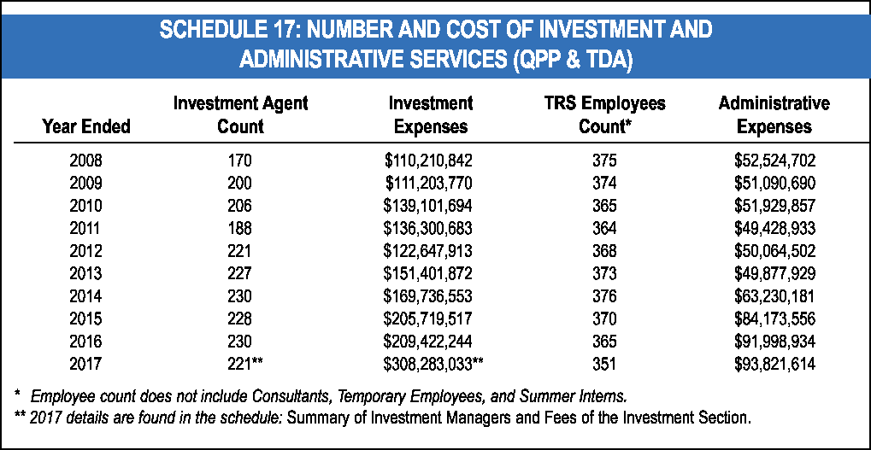

2008 170 $110,210,842 375 $52,524,702
2009 200 $111,203,770 374 $51,090,690
2010 206 $139,101,694 365 $51,929,857
2011 188 $136,300,683 364 $49,428,933
2012 221 $122,647,913 368 $50,064,502
2013 227 $151,401,872 373 $49,877,929
2014 230 $169,736,553 376 $63,230,181
2015 228 $205,719,517 370 $84,173,556
2016 230 $209,422,244 365 $91,998,934
2017 221** $308,283,033** 351 $93,821,614

* Employee count does not include Consultants, Temporary Employees, and Summer Interns.
** 2017 details are found in the schedule: Summary of Investment Managers and Fees of the Investment Section.
Investment Agent Investment TRS Employees Administrative
Year Ended Count Expenses Count* Expenses
SCHEDULE 17: NUMBER AND COST OF INVESTMENT AND
ADMINISTRATIVE SERVICES (QPP & TDA)

Sheet15
TEACHERS’ RETIREMENT SYSTEM OF THE CITY OF NEW YORK

FX refers to the Fixed Return Fund
VA refers to the Diversified Equity Fund
VB refers to the Bond Fund
VC refers to the International Equity Fund
VD refers to the Inflation Protection Fund
VE refers to the Socially Responsive Equity Fund

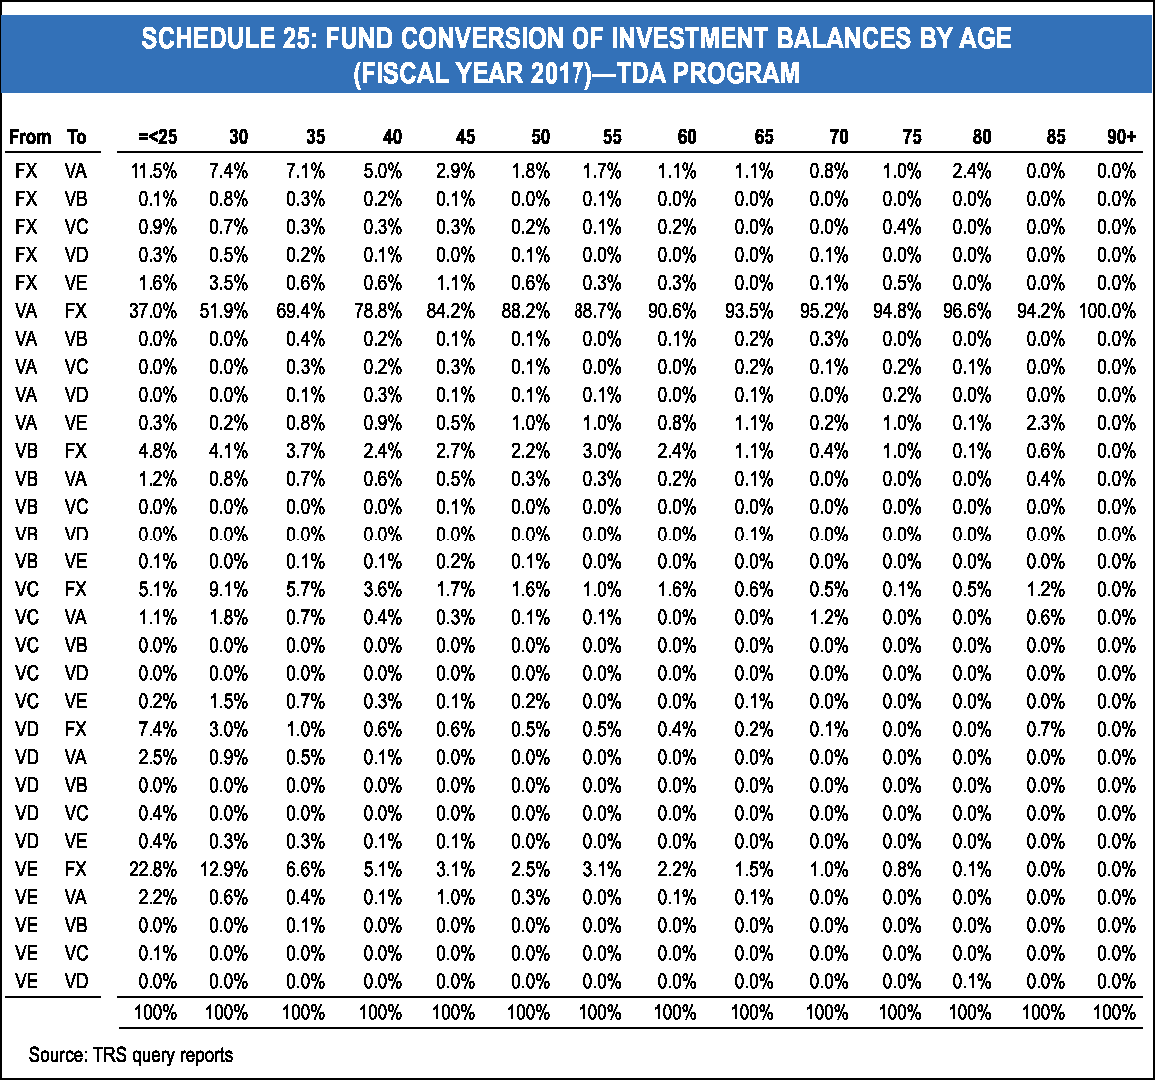

From To =<25 30 35 40 45 50 55 60 65 70 75 80 85 90+
FX VA 11.5% 7.4% 7.1% 5.0% 2.9% 1.8% 1.7% 1.1% 1.1% 0.8% 1.0% 2.4% 0.0% 0.0%
FX VB 0.1% 0.8% 0.3% 0.2% 0.1% 0.0% 0.1% 0.0% 0.0% 0.0% 0.0% 0.0% 0.0% 0.0%
FX VC 0.9% 0.7% 0.3% 0.3% 0.3% 0.2% 0.1% 0.2% 0.0% 0.0% 0.4% 0.0% 0.0% 0.0%
FX VD 0.3% 0.5% 0.2% 0.1% 0.0% 0.1% 0.0% 0.0% 0.0% 0.1% 0.0% 0.0% 0.0% 0.0%
FX VE 1.6% 3.5% 0.6% 0.6% 1.1% 0.6% 0.3% 0.3% 0.0% 0.1% 0.5% 0.0% 0.0% 0.0%
VA FX 37.0% 51.9% 69.4% 78.8% 84.2% 88.2% 88.7% 90.6% 93.5% 95.2% 94.8% 96.6% 94.2% 100.0%
VA VB 0.0% 0.0% 0.4% 0.2% 0.1% 0.1% 0.0% 0.1% 0.2% 0.3% 0.0% 0.0% 0.0% 0.0%
VA VC 0.0% 0.0% 0.3% 0.2% 0.3% 0.1% 0.0% 0.0% 0.2% 0.1% 0.2% 0.1% 0.0% 0.0%
VA VD 0.0% 0.0% 0.1% 0.3% 0.1% 0.1% 0.1% 0.0% 0.1% 0.0% 0.2% 0.0% 0.0% 0.0%
VA VE 0.3% 0.2% 0.8% 0.9% 0.5% 1.0% 1.0% 0.8% 1.1% 0.2% 1.0% 0.1% 2.3% 0.0%
VB FX 4.8% 4.1% 3.7% 2.4% 2.7% 2.2% 3.0% 2.4% 1.1% 0.4% 1.0% 0.1% 0.6% 0.0%
VB VA 1.2% 0.8% 0.7% 0.6% 0.5% 0.3% 0.3% 0.2% 0.1% 0.0% 0.0% 0.0% 0.4% 0.0%
VB VC 0.0% 0.0% 0.0% 0.0% 0.1% 0.0% 0.0% 0.0% 0.0% 0.0% 0.0% 0.0% 0.0% 0.0%
VB VD 0.0% 0.0% 0.0% 0.0% 0.0% 0.0% 0.0% 0.0% 0.1% 0.0% 0.0% 0.0% 0.0% 0.0%
VB VE 0.1% 0.0% 0.1% 0.1% 0.2% 0.1% 0.0% 0.0% 0.0% 0.0% 0.0% 0.0% 0.0% 0.0%
VC FX 5.1% 9.1% 5.7% 3.6% 1.7% 1.6% 1.0% 1.6% 0.6% 0.5% 0.1% 0.5% 1.2% 0.0%
VC VA 1.1% 1.8% 0.7% 0.4% 0.3% 0.1% 0.1% 0.0% 0.0% 1.2% 0.0% 0.0% 0.6% 0.0%
VC VB 0.0% 0.0% 0.0% 0.0% 0.0% 0.0% 0.0% 0.0% 0.0% 0.0% 0.0% 0.0% 0.0% 0.0%
VC VD 0.0% 0.0% 0.0% 0.0% 0.0% 0.0% 0.0% 0.0% 0.0% 0.0% 0.0% 0.0% 0.0% 0.0%
VC VE 0.2% 1.5% 0.7% 0.3% 0.1% 0.2% 0.0% 0.0% 0.1% 0.0% 0.0% 0.0% 0.0% 0.0%
VD FX 7.4% 3.0% 1.0% 0.6% 0.6% 0.5% 0.5% 0.4% 0.2% 0.1% 0.0% 0.0% 0.7% 0.0%
VD VA 2.5% 0.9% 0.5% 0.1% 0.0% 0.0% 0.0% 0.0% 0.0% 0.0% 0.0% 0.0% 0.0% 0.0%
VD VB 0.0% 0.0% 0.0% 0.0% 0.0% 0.0% 0.0% 0.0% 0.0% 0.0% 0.0% 0.0% 0.0% 0.0%
VD VC 0.4% 0.0% 0.0% 0.0% 0.0% 0.0% 0.0% 0.0% 0.0% 0.0% 0.0% 0.0% 0.0% 0.0%
VD VE 0.4% 0.3% 0.3% 0.1% 0.1% 0.0% 0.0% 0.0% 0.0% 0.0% 0.0% 0.0% 0.0% 0.0%
VE FX 22.8% 12.9% 6.6% 5.1% 3.1% 2.5% 3.1% 2.2% 1.5% 1.0% 0.8% 0.1% 0.0% 0.0%
VE VA 2.2% 0.6% 0.4% 0.1% 1.0% 0.3% 0.0% 0.1% 0.1% 0.0% 0.0% 0.0% 0.0% 0.0%
VE VB 0.0% 0.0% 0.1% 0.0% 0.0% 0.0% 0.0% 0.0% 0.0% 0.0% 0.0% 0.0% 0.0% 0.0%
VE VC 0.1% 0.0% 0.0% 0.0% 0.0% 0.0% 0.0% 0.0% 0.0% 0.0% 0.0% 0.0% 0.0% 0.0%
VE VD 0.0% 0.0% 0.0% 0.0% 0.0% 0.0% 0.0% 0.0% 0.0% 0.0% 0.0% 0.1% 0.0% 0.0%
Source: TRS query reports
100% 100% 100% 100% 100% 100% 100% 100% 100% 100% 100% 100% 100% 100%
SCHEDULE 25: FUND CONVERSION OF INVESTMENT BALANCES BY AGE
 | (FISCAL YEAR 2017)—TDA PROGRAM
176

